EVD_FIN 07-01
Test Case ID | FIN07-01
Test Case Summary | Lakukan Entry Allocation untuk Suspend - Auto Allocation

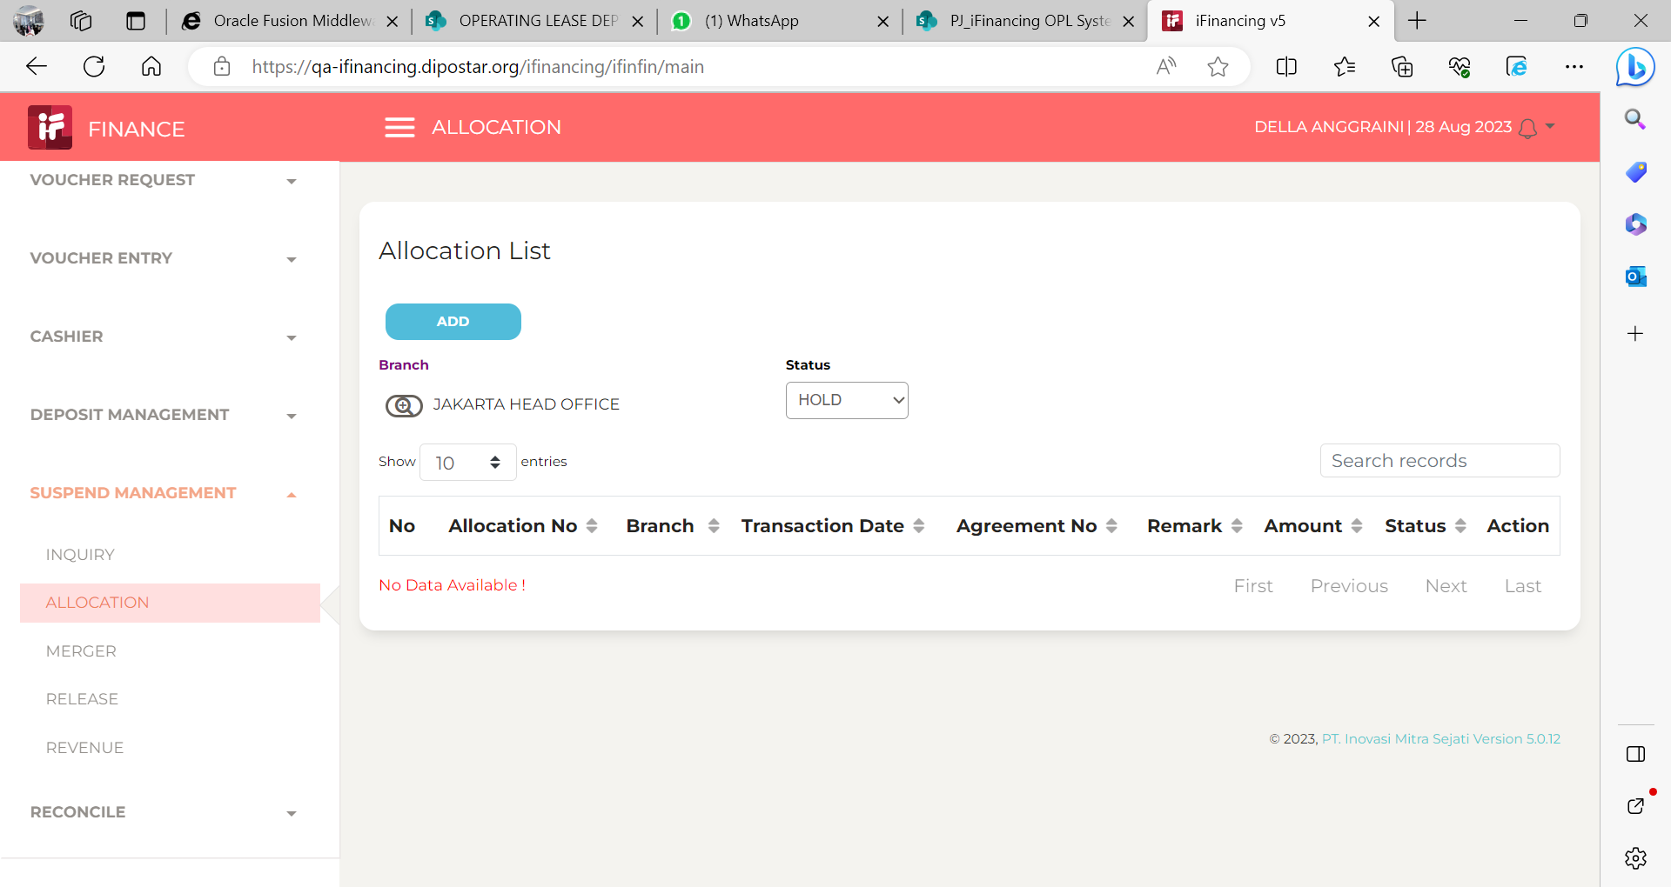
Step # | Test Evidence | Re-Test Evidence (if found Bug/Issue)
1

2
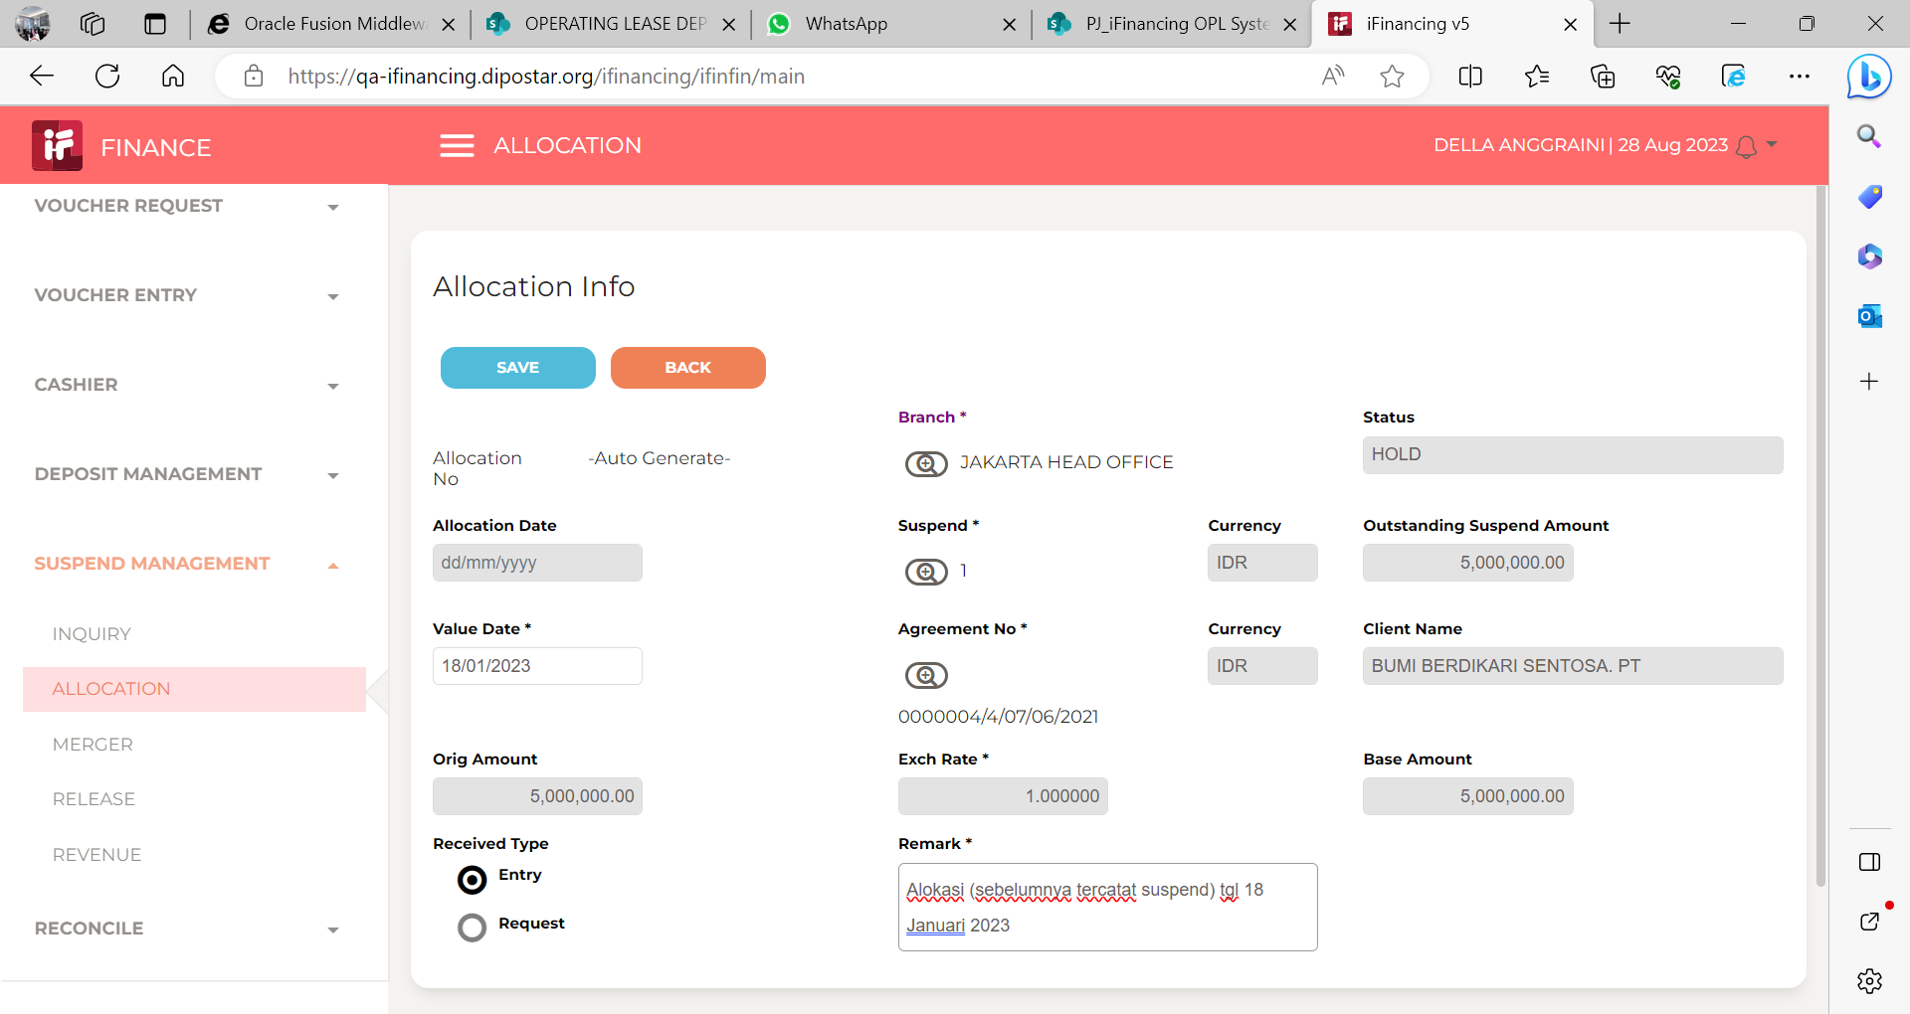

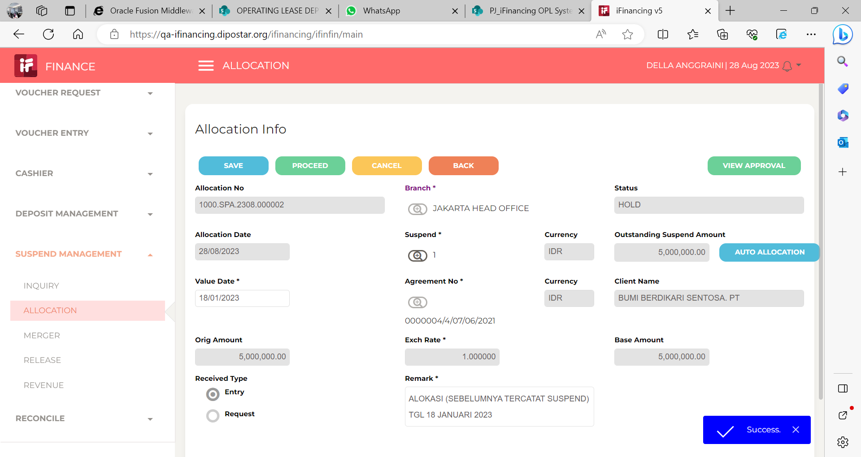
3

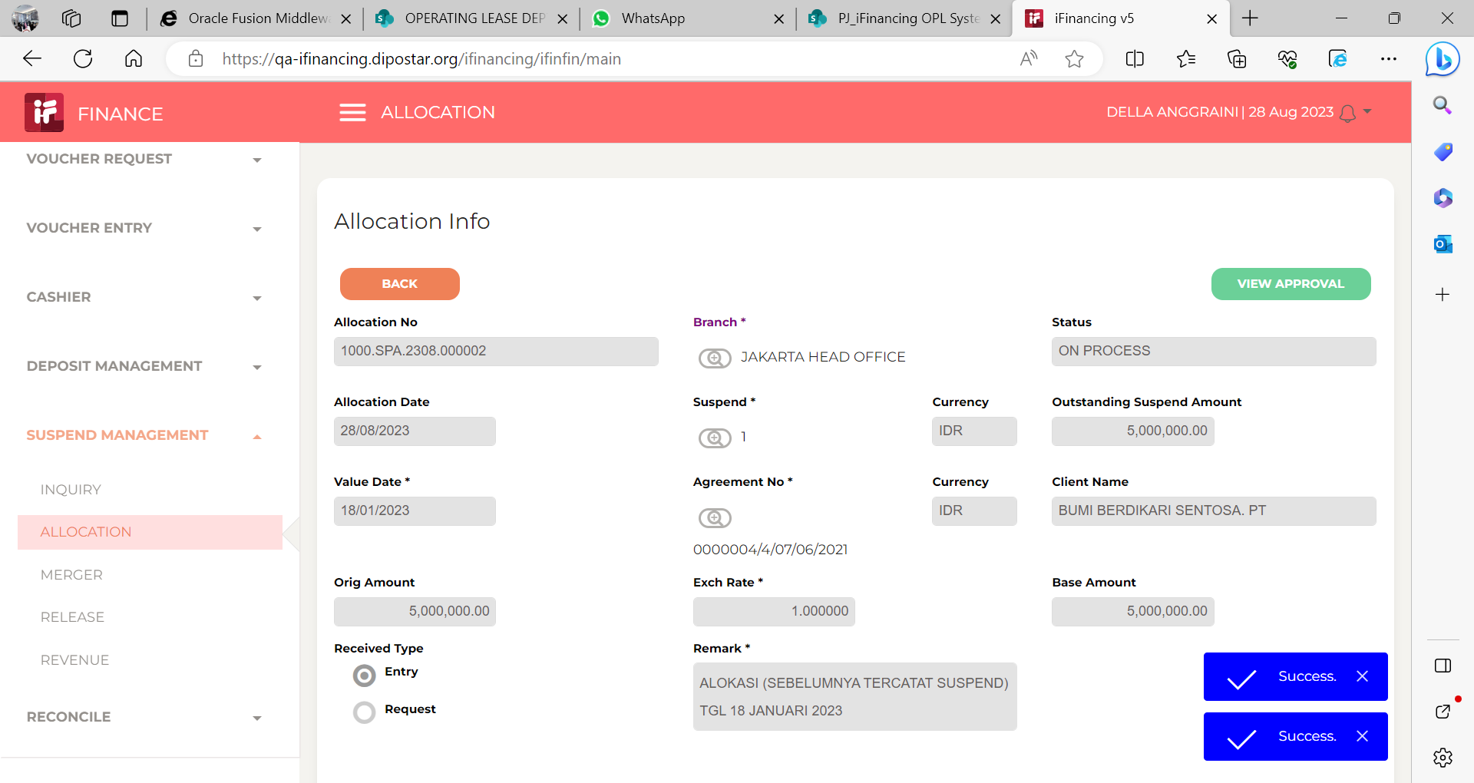
4

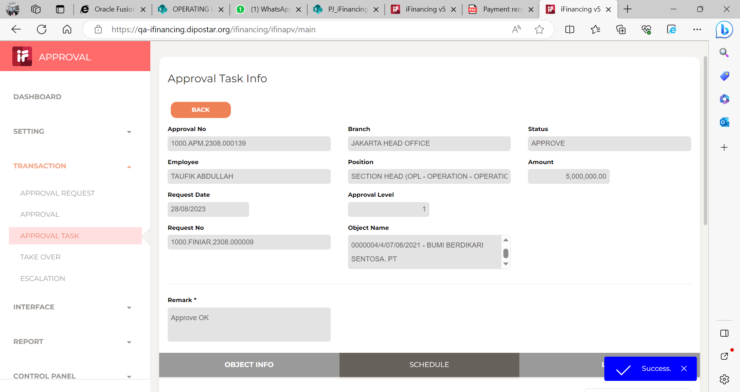
5

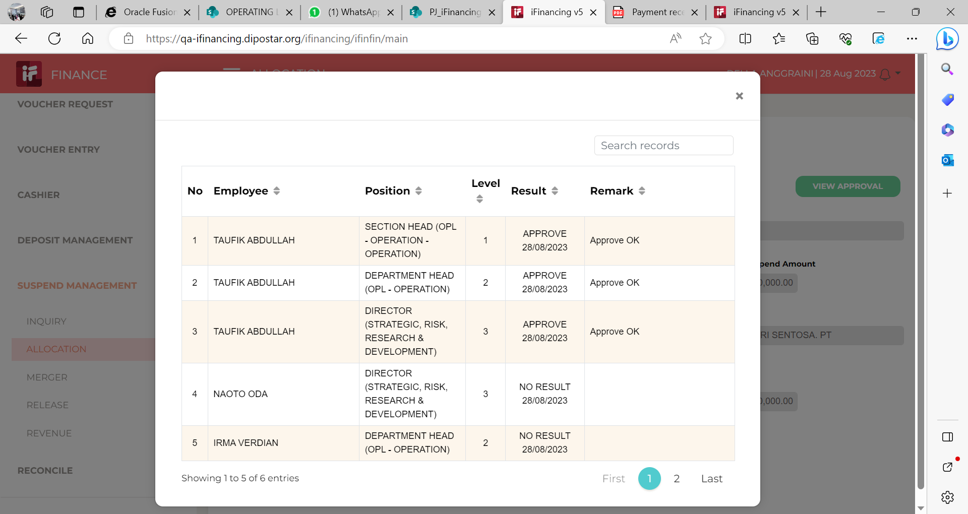
6

7

8

9

10

11

13

14

15

16

17

18

19

20

21

22

36

37

38

39

41

43

44

45

46

EVD_FIN 07-01 (GINA
Test Case ID | FIN07-01
Test Case Summary | Lakukan Entry Allocation untuk Suspend - Auto Allocation

Step # | Test Evidence | Re-Test Evidence (if found Bug/Issue)
1
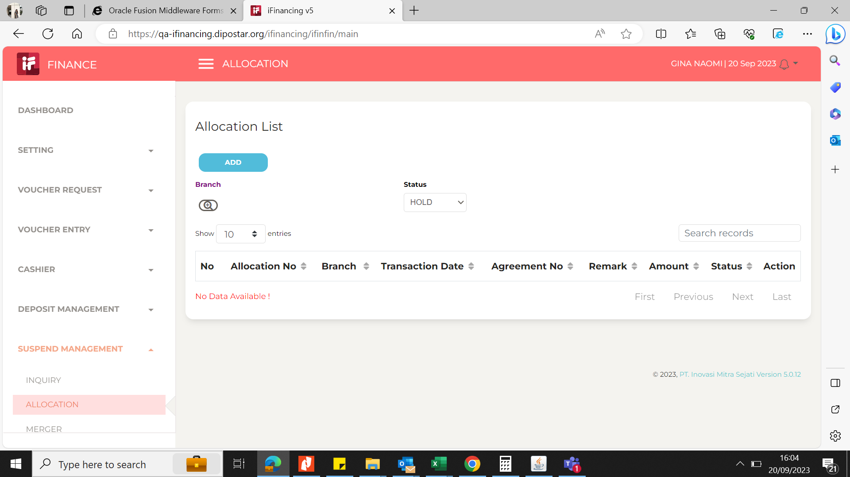

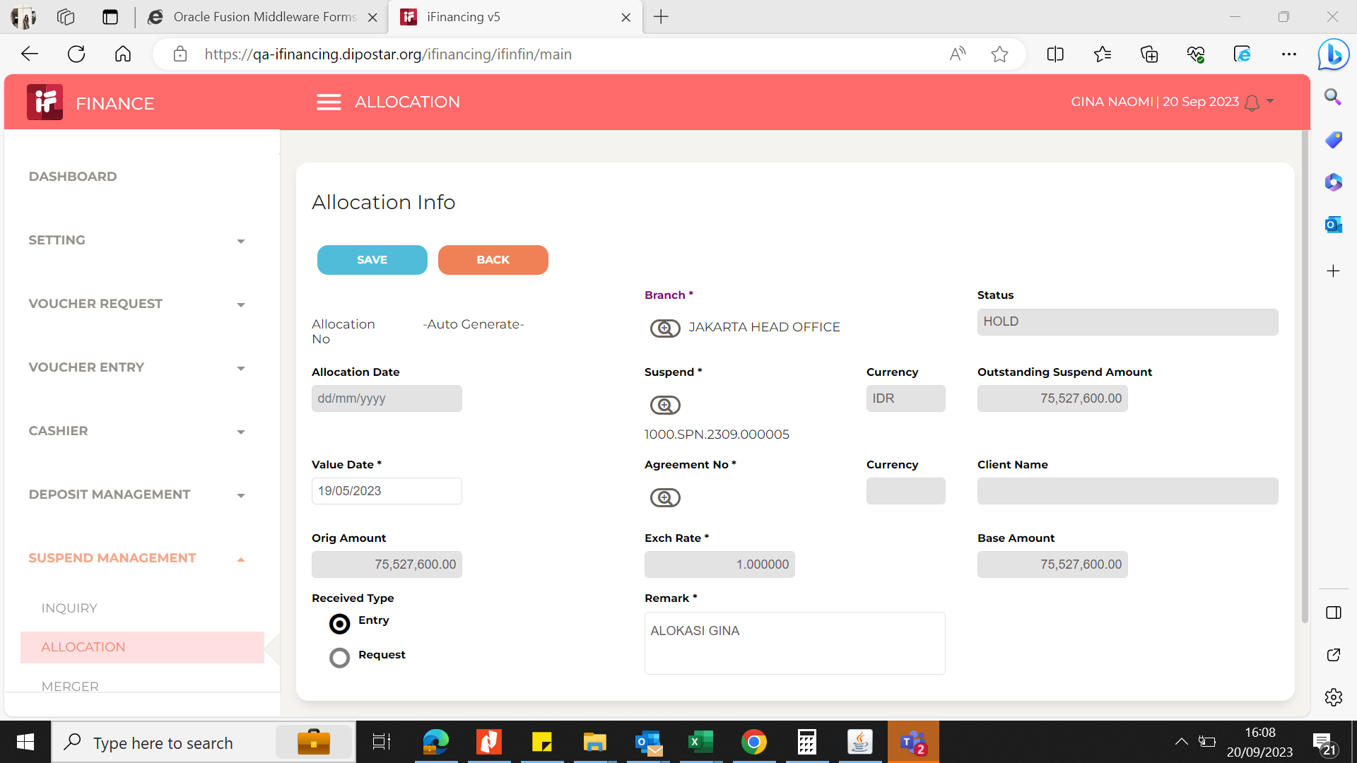
2

3
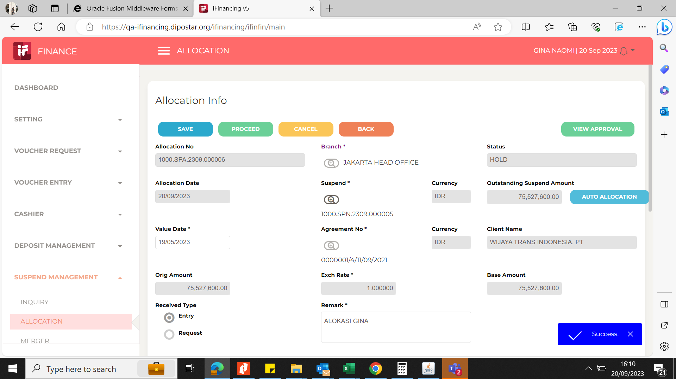

4
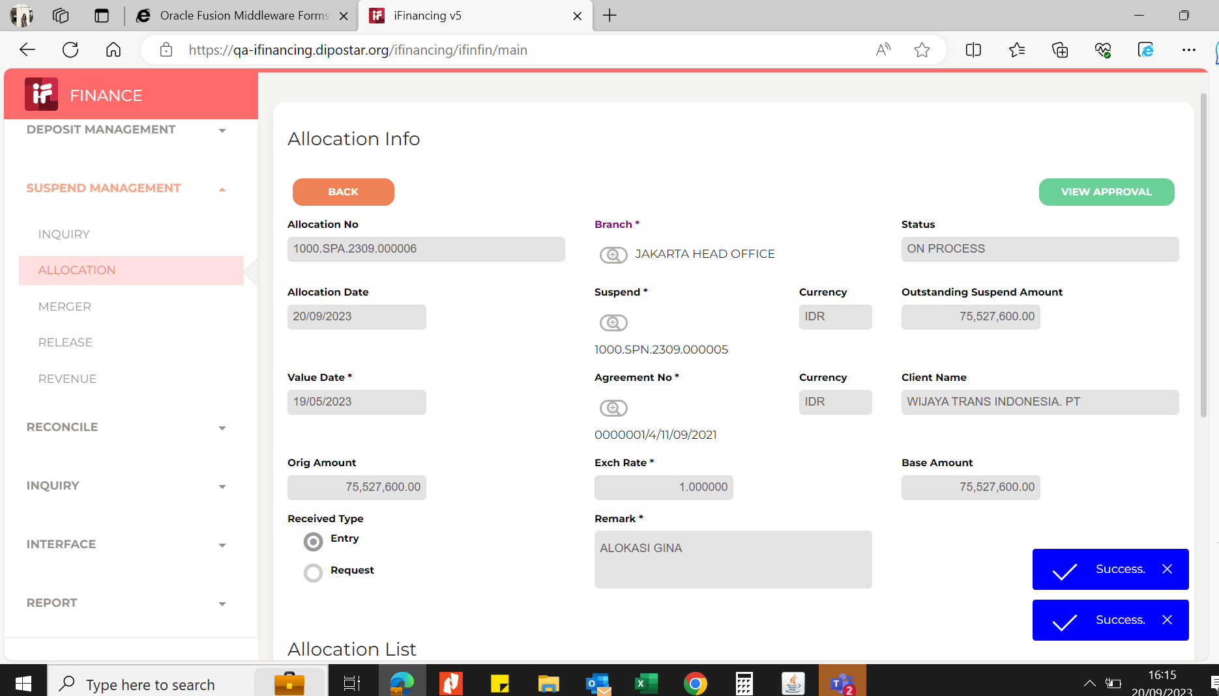

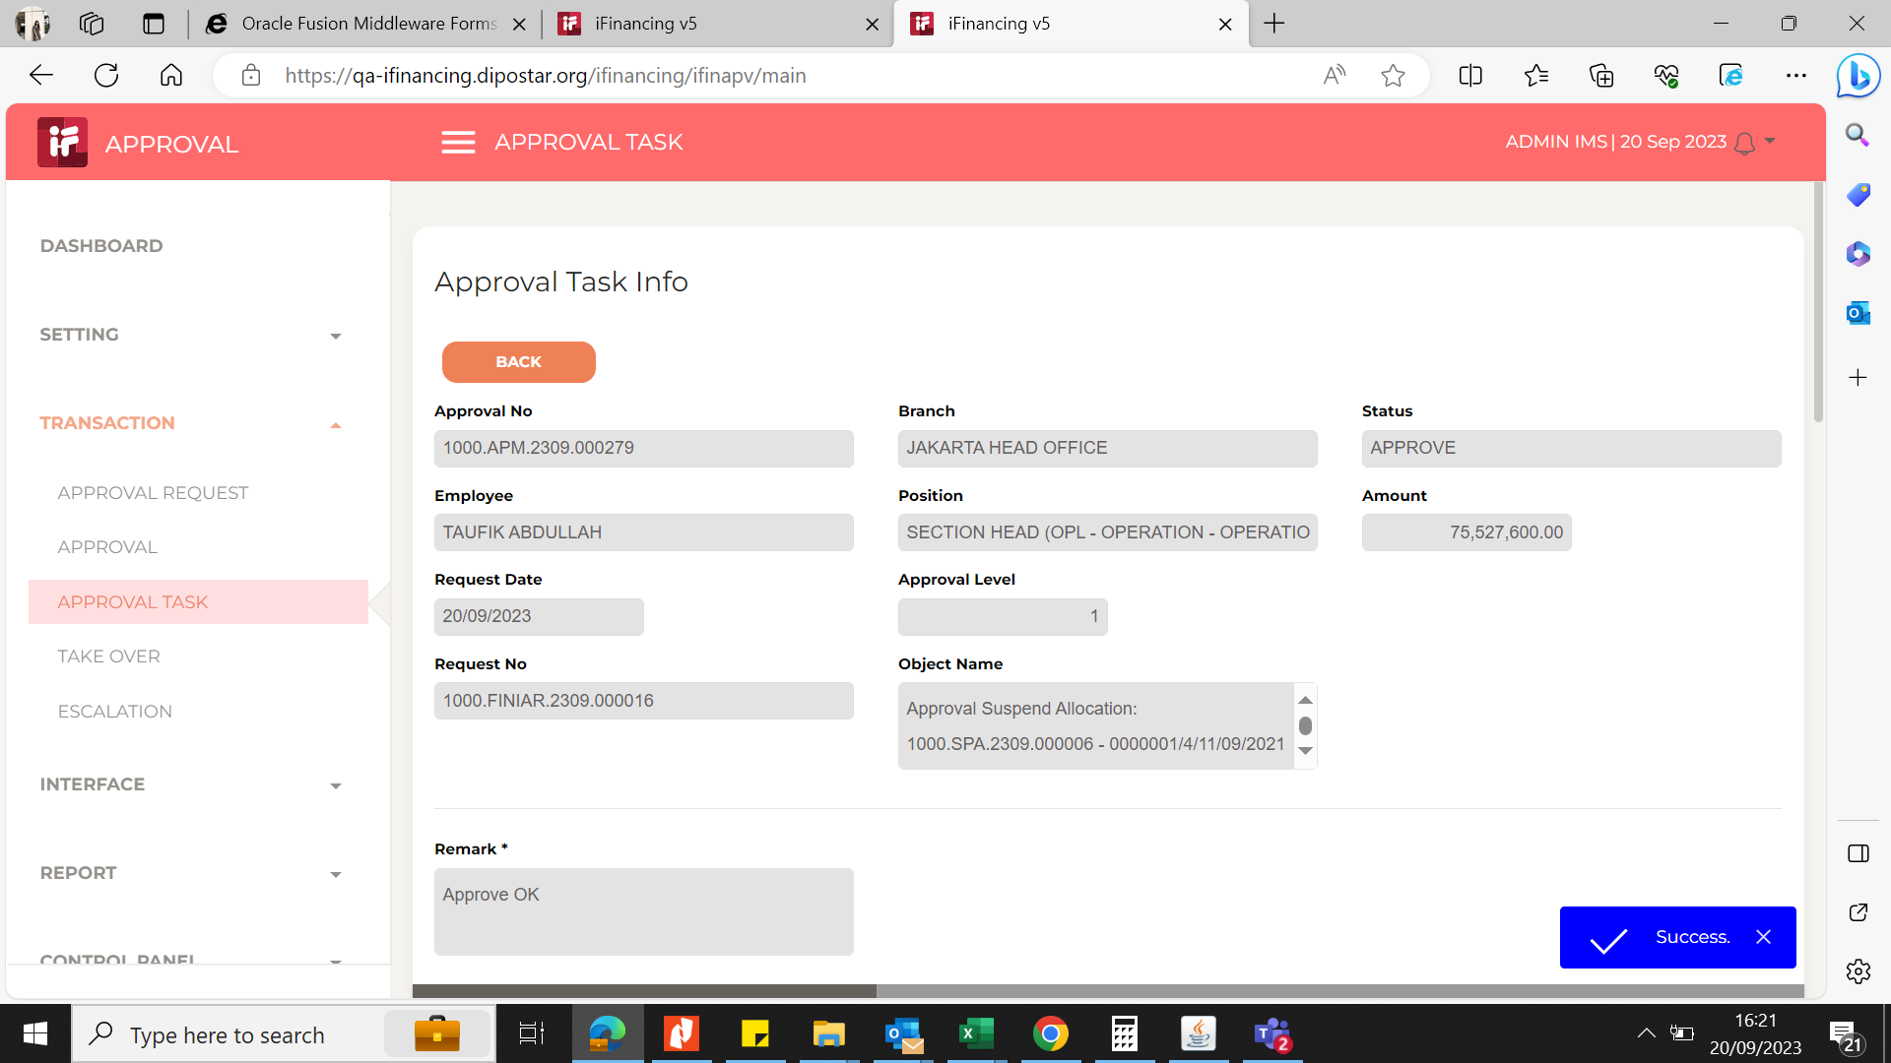
5

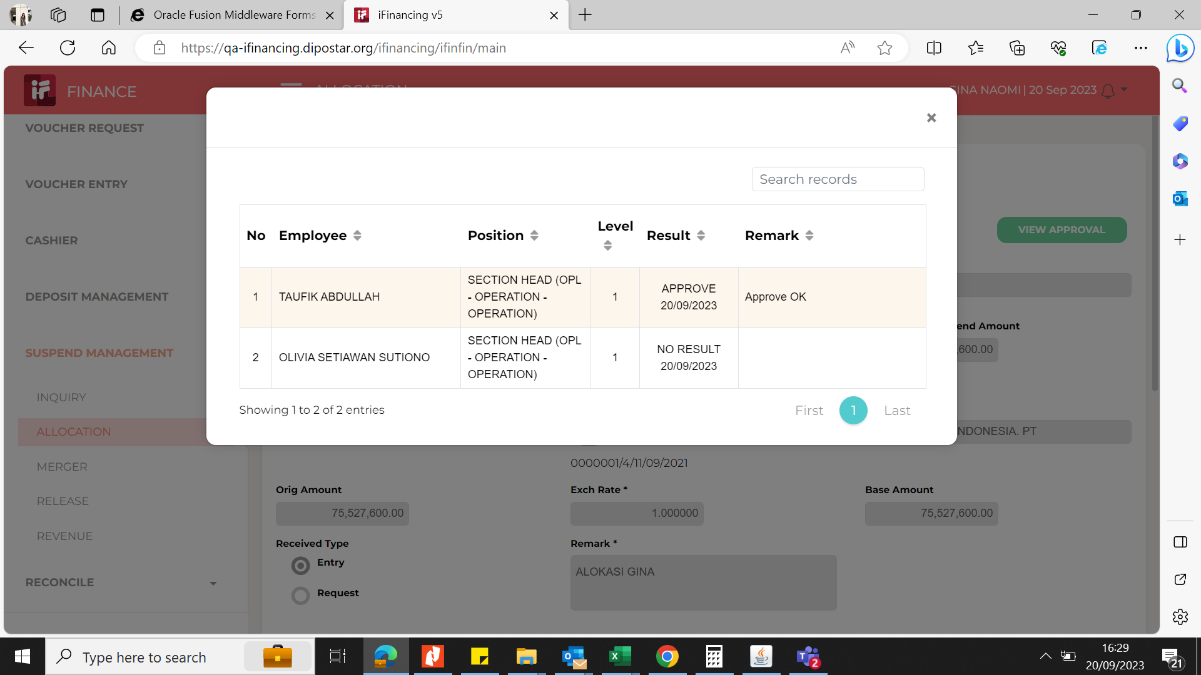
6

7

8

9

10

11

13

14

15

16

17

18

19

20

21

22

36

37

38

39

41

43

44

45

46

